Mapping
1 | material_account | 1 | 1
2 | material_overhead_account | 1 | 2
3 | resource_account | 1 | 3
4 | outside_processing_account | 1 | 4
5 | overhead_account | 1 | 5
6 | expense_account | 1 | 6
7 | average_cost_var_account | 1 | 7
8 | encumbrance_account | 1 | 8
9 | purchase_price_var_account | 1 | 9
10 | payback_mat_var_account | 1 | 10
11 | payback_moh_var_account | 1 | 11
12 | payback_res_var_account | 1 | 12
13 | payback_osp_var_account | 1 | 13
14 | payback_ovh_var_account | 1 | 14

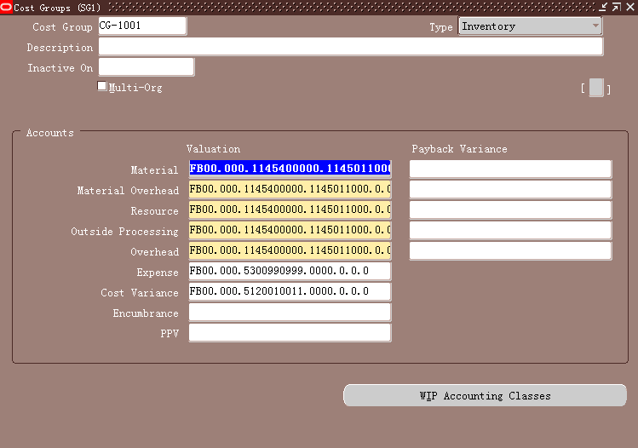

 |  |  | 1 | 10
 |  |  | 2 | 11
 |  |  | 3 | 12
 |  |  | 4 | 13
 |  |  | 5 | 14
 |  |  | 6
 |  |  | 7
 |  |  | 8
 |  |  | 9

